Position Log - Ball
Date | Time | Operator Initials | Plateau | Final? | Target | RM1 |  | RM2 |  | RM3 |  | 5DOF X | 5DOF Y | 5DOF Z | 5DOF Rx | 5DOF Ry | AC Focus | Lidar Sig | Range (m) | .fits | AC AZ (deg) | AC EL (deg) | X centr (pix) | Y centr (pix) | Notes
2023-04-01 | 9:20:00 | EB | SES CP2 | Y | CHIPS retro | 22.01 | 22.01 | 22.01 | 22.01 | 22.01 | 22.01 | - | - | - | - | - | 1,131
2023-04-01 | 9:21:00 | EB | SES CP2 | Y | sMATF mirror | 22 | 23.5 | 21 | 22 | 24.8 | 23.5 | - | - | - | - | - | 0,30 | 17 |  |  | 0.0041 | 0.006
2023-04-01 | 9:22:00 | EB | SES CP2 | Y | sMATF LED pri | 22 | 23.5 | 21 | 22 | 24.8 | 23.5 | These are all just example values |  |  |  | - | 1,131 |  |  | 10000 |  |  | 811.9 | 604.6
2023-04-01 | 9:23:00 | EB | SES CP2 | Y | sMATF retro | 22 | 23.5 | 21 | 22 | 24.8 | 23.5 | - | - | - | - | - |  |  | 4.027174
2023-04-01 | 9:24:00 | EB | SES CP2 | Y | PATB mirror | 22 | 23.5 | 21 | 22 | 24.8 | 23.5 | 88.435 | 109.266 | 0 | 0.1018 | 0.0856 | 0,30 | 17 |  |  | 0.0041 | 0.0035
2023-04-01 | 9:25:00 | EB | SES CP2 |  | PATB LED pri | 22 | 23.5 | 21 | 22 | 24.8 | 23.5 | 88.435 | 109.266 | 0 | 0.1018 | 0.0856
2023-04-01 | 9:26:00 | EB | SES CP2 |  | PATB LED pri | 22 | 23.5 | 21 | 22 | 24.8 | 23.5 | 88.435 | 109.266 | 0 | 0.1018 | 0.0856
2023-04-01 | 9:27:00 | EB | SES CP2 | Y | PATB LED pri | 22 | 23.5 | 21 | 22 | 24.8 | 23.5 | 88.435 | 109.266 | 0 | 0.1018 | 0.0856 | 1,131 |  |  | 1001 |  |  | 812.6 | 605.9
2023-04-01 | 9:28:00 | EB | SES CP2 | Y | PATB retro pri | 22 | 23.5 | 21 | 22 | 24.8 | 23.5 | 88.435 | 109.266 | 0 | 0.1018 | 0.0856 |  |  | 3.455684
2023-04-03 | 9:20:00 | PM | SES WP2 | Y | CHIPS retro | 22 | 23.5 | 21 | 22 | 24.8 | 23.5 | - | - | - | - | - | 1,131
2023-04-03 | 9:21:00 | PM | SES WP2 | Y | sMATF mirror | 22 | 23.5 | 21 | 22 | 24.8 | 23.5 | - | - | - | - | - | 0,30 | 17 |  |  | -0.0022 | 0.0042
2023-04-03 | 9:22:00 | PM | SES WP2 | Y | sMATF LED pri | 22 | 23.5 | 21 | 22 | 24.8 | 23.5 | These are all just example values |  |  |  | - | 1,131 |  |  | 10000 |  |  | 811.7 | 597.6
2023-04-03 | 9:23:00 | PM | SES WP2 | Y | sMATF retro | 22 | 23.5 | 21 | 22 | 24.8 | 23.5 | - | - | - | - | - |  |  | 4.031636
2023-04-03 | 9:24:00 | PM | SES WP2 | Y | PATB mirror | 22 | 23.5 | 21 | 22 | 24.8 | 23.5 | 88.526 | 108.364 | 0 | 0.1287 | 0.0788 | 0,30 | 17 |  |  | -0.0008 | 0.0001
2023-04-03 | 9:25:00 | PM | SES WP2 |  | PATB LED pri | 22 | 23.5 | 21 | 22 | 24.8 | 23.5 | 88.526 | 108.364 | 0 | 0.1287 | 0.0788
2023-04-03 | 9:26:00 | PM | SES WP2 |  | PATB LED pri | 22 | 23.5 | 21 | 22 | 24.8 | 23.5 | 88.526 | 108.364 | 0 | 0.1287 | 0.0788
2023-04-03 | 9:27:00 | PM | SES WP2 | Y | PATB LED pri | 22 | 23.5 | 21 | 22 | 24.8 | 23.5 | 88.526 | 108.364 | 0 | 0.1287 | 0.0788 | 1,131 |  |  | 1001 |  |  | 812.1 | 598.8
2023-04-03 | 9:28:00 | PM | SES WP2 | Y | PATB retro pri | 22 | 23.5 | 21 | 22 | 24.8 | 23.5 | 88.526 | 108.364 | 0 | 0.1287 | 0.0788 |  |  | 3.458517

 |  |  |  |  |  |  |  |  |  |  |  |  |  |  |  |  |  |  |  |  |  |  | 746.554 | 602.998
 |  |  |  |  |  |  |  |  |  |  |  |  |  |  |  |  |  |  |  |  |  |  | 745.872 | 602.221
 |  |  |  |  |  |  |  |  |  |  |  |  |  |  |  |  |  |  |  |  |  |  | 746.55 | 603.45

 |  |  |  |  |  |  |  |  |  |  |  |  |  |  |  |  |  |  |  |  |  |  | 770.83 | 155.064
 |  |  |  |  |  |  |  |  |  |  |  |  |  |  |  |  |  |  |  |  |  |  | 824.3 | 1115.5
 |  |  |  |  |  |  |  |  |  |  |  |  |  |  |  |  |  |  |  |  |  |  | 808 | 602

 |  |  |  |  |  |  |  |  |  |  |  |  |  |  |  |  |  |  |  |  |  |  | 868 | 536.5
 |  |  |  |  |  |  |  |  |  |  |  |  |  |  |  |  |  |  |  |  |  |  | ? | ?

 |  |  |  |  |  |  |  |  |  |  |  |  |  |  |  |  |  |  |  |  |  |  | 824 | 576

 |  |  |  |  |  |  |  |  |  |  |  |  |  |  |  |  |  |  |  |  |  |  | 156 | 1039

 |  |  |  |  |  |  |  |  |  |  |  |  |  |  |  |  |  |  |  |  |  |  | 797.2 | 606.7

 |  |  |  |  |  |  |  |  |  |  |  |  |  |  |  |  |  |  |  |  |  |  | 797.7 | 606.1
...
 |  |  |  |  |  |  |  |  |  |  |  |  |  |  |  |  |  |  |  | .fits | AC AZ (deg) | AC EL (deg) | X centr (pix) | Y centr (pix) | Notes
 |  |  |  |  |  |  |  |  |  |  |  |  |  |  |  |  |  |  |  |  |  |  | 807.7 | 601.7
 |  |  |  |  |  |  |  |  |  |  |  |  |  |  |  |  |  |  |  |  |  |  | X centroid | Y centroid

 |  |  |  |  |  |  |  |  |  |  |  |  |  |  |  |  |  |  |  |  |  |  | 809.5 | 602.6

 |  |  |  |  |  |  |  |  |  |  |  |  |  |  |  |  |  |  |  |  |  |  | 807.5 | 601.6
#REF! | 1

 |  |  |  |  |  |  |  |  |  |  |  |  |  |  |  |  |  |  |  |  |  |  | 806.9 | 601.8
 |  |  |  |  |  |  |  |  |  |  |  |  |  |  |  |  |  |  |  |  |  |  | 964.4 | 497.6
 |  |  |  |  |  |  |  |  |  |  |  |  |  |  |  |  |  |  |  |  |  |  | 649.9 | 705.9
 |  |  |  |  |  |  |  |  |  |  |  |  |  |  |  |  |  |  |  |  |  |  | 546.6 | 551.4
 |  |  |  |  |  |  |  |  |  |  |  |  |  |  |  |  |  |  |  |  |  |  | 751.97 | 860.481
 |  |  |  |  |  |  |  |  |  |  |  |  |  |  |  |  |  |  |  |  |  |  | 909.1 | 755.8
 |  |  |  |  |  |  |  |  |  |  |  |  |  |  |  |  |  |  |  |  |  |  | 704.8 | 447.4
 |  |  |  |  |  |  |  |  |  |  |  |  |  |  |  |  |  |  |  |  |  |  | 822 | 549
 |  |  |  |  |  |  |  |  |  |  |  |  |  |  |  |  |  |  |  |  |  |  | 177 | 942

 |  |  |  |  |  |  |  |  |  |  |  |  |  |  |  |  |  |  |  |  |  |  | X centroid | Y centroid

 |  |  |  |  |  |  |  |  |  |  |  |  |  |  |  |  |  |  |  |  |  |  | 807.8 | 601.6

 |  |  |  |  |  |  |  |  |  |  |  |  |  |  |  |  |  |  |  |  |  |  | 807.6 | 601.7
 |  |  |  |  |  |  |  |  |  |  |  |  |  |  |  |  |  |  |  |  |  |  | X centroid | Y centroid
...
 |  |  |  |  |  |  |  |  |  |  |  |  |  |  |  |  |  |  |  | .fits | AC AZ (deg) | AC EL (deg) | X centr (pix) | Y centr (pix) | Notes
 |  |  |  |  |  |  |  |  |  |  |  |  |  |  |  |  |  |  |  |  |  |  | 810.7 | 598.7
 |  |  |  |  |  |  |  |  |  |  |  |  |  |  |  |  |  |  |  |  |  |  | 810.5 | 597.6
 |  |  |  |  |  |  |  |  |  |  |  |  |  |  |  |  |  |  |  |  |  |  | 809.8 | 596.7
 |  |  |  |  |  |  |  |  |  |  |  |  |  |  |  |  |  |  |  |  |  |  | 809.9 | 596.6
 |  |  |  |  |  |  |  |  |  |  |  |  |  |  |  |  |  |  |  |  |  |  | 809.9 | 596.7
 |  |  |  |  |  |  |  |  |  |  |  |  |  |  |  |  |  |  |  |  |  |  | 809.7 | 597.5
 |  |  |  |  |  |  |  |  |  |  |  |  |  |  |  |  |  |  |  |  |  |  | 808.7 | 599.6
 |  |  |  |  |  |  |  |  |  |  |  |  |  |  |  |  |  |  |  |  |  |  | 808.8 | 602.6
 |  |  |  |  |  |  |  |  |  |  |  |  |  |  |  |  |  |  |  |  |  |  | 809 | 603.9
 |  |  |  |  |  |  |  |  |  |  |  |  |  |  |  |  |  |  |  |  |  |  | 809.8 | 604.6
#REF! | 1
 |  |  |  |  |  |  |  |  |  |  |  |  |  |  |  |  |  |  |  |  |  |  | 810 | 605.4
 |  |  |  |  |  |  |  |  |  |  |  |  |  |  |  |  |  |  |  |  |  |  | 810.6 | 605.6
 |  |  |  |  |  |  |  |  |  |  |  |  |  |  |  |  |  |  |  |  |  |  | 810 | 604.7
 |  |  |  |  |  |  |  |  |  |  |  |  |  |  |  |  |  |  |  |  |  |  | 810.7 | 604.8
 |  |  |  |  |  |  |  |  |  |  |  |  |  |  |  |  |  |  |  |  |  |  | 810.9 | 605.4

 |  |  |  |  |  |  |  |  |  |  |  |  |  |  |  |  |  |  |  |  |  |  | 810.9 | 595.9
 |  |  |  |  |  |  |  |  |  |  |  |  |  |  |  |  |  |  |  |  |  |  | 810.7 | 595.9

 |  |  |  |  |  |  |  |  |  |  |  |  |  |  |  |  |  |  |  |  |  |  | 810.1 | 595.9
 |  |  |  |  |  |  |  |  |  |  |  |  |  |  |  |  |  |  |  |  |  |  | 810.7 | 595.8

 |  |  |  |  |  |  |  |  |  |  |  |  |  |  |  |  |  |  |  |  |  |  | 810 | 596

 |  |  |  |  |  |  |  |  |  |  |  |  |  |  |  |  |  |  |  |  |  |  | 810.8 | 595.8

 |  |  |  |  |  |  |  |  |  |  |  |  |  |  |  |  |  |  |  |  |  |  | 810.7 | 595.98

 |  |  |  |  |  |  |  |  |  |  |  |  |  |  |  |  |  |  |  |  |  |  | 810.8 | 595.8
 |  |  |  |  |  |  |  |  |  |  |  |  |  |  |  |  |  |  |  |  |  |  | X centroid (pix) | Y centroid (pix)
 |  |  |  |  |  |  |  |  |  |  |  |  |  |  |  |  |  |  |  |  |  |  | 809.6 | 596.6
...

Position Log - GSFC
...
AC AZ | AC EL | X centroid | Y centroid | Radius | Notes | Time(EST) | ADMBNCHT | ADMRADT | ADMBOXT | ADMAIRT | ADMCAMT | ADMWINT | ADMLEICA
0.0006 | 0.0011
...
AC AZ | AC EL | X centroid | Y centroid | Radius | Notes | Time(EST) | ADMBNCHT | ADMRADT | ADMBOXT | ADMAIRT | ADMCAMT | ADMWINT | ADMLEICA
 |  | 807.7 | 601.7
AC AZ | AC EL | X centroid | Y centroid
...
AC AZ | AC EL | X centroid | Y centroid | Radius | Notes | Time(EST) | ADMBNCHT | ADMRADT | ADMBOXT | ADMAIRT | ADMCAMT | ADMWINT | ADMLEICA
 |  |  |  |  | -0.000041
-0.0015 | 0.0084 | 809.5 | 602.6
-0.0028 | 0.0032
 |  | 807.5 | 601.6
...
AC AZ | AC EL | X centroid | Y centroid | Radius | Notes | Time(EST) | ADMBNCHT | ADMRADT | ADMBOXT | ADMAIRT | ADMCAMT | ADMWINT | ADMLEICA
 |  |  |  |  | 3.6000000001E-05
...
AC AZ | AC EL | X centroid | Y centroid | Radius | Notes | Time(EST) | ADMBNCHT | ADMRADT | ADMBOXT | ADMAIRT | ADMCAMT | ADMWINT | ADMLEICA
 |  |  |  |  | -0.000589
-0.0025 | 0.0035
...
AC AZ | AC EL | X centroid | Y centroid | Radius | Notes | Time(EST) | ADMBNCHT | ADMRADT | ADMBOXT | ADMAIRT | ADMCAMT | ADMWINT | ADMLEICA
 |  | 806.9 | 601.8
 |  | 964.4 | 497.6
 |  | 649.9 | 705.9
 |  | 546.6 | 551.4
 |  | 751.97 | 860.481
 |  | 909.1 | 755.8
 |  | 704.8 | 447.4
 |  | 822 | 549
 |  | 177 | 942
...
AC AZ | AC EL | X centroid | Y centroid | Radius | Notes | Time(EST) | ADMBNCHT | ADMRADT | ADMBOXT | ADMAIRT | ADMCAMT | ADMWINT | ADMLEICA
AC AZ | AC EL | X centroid | Y centroid
...
AC AZ | AC EL | X centroid | Y centroid | Radius | Notes | Time(EST) | ADMBNCHT | ADMRADT | ADMBOXT | ADMAIRT | ADMCAMT | ADMWINT | ADMLEICA
-0.0035 | 0.0035
 |  | 807.8 | 601.6
...
AC AZ | AC EL | X centroid | Y centroid | Radius | Notes | Time(EST) | ADMBNCHT | ADMRADT | ADMBOXT | ADMAIRT | ADMCAMT | ADMWINT | ADMLEICA
-0.0063 | 0.0035
...
AC AZ | AC EL | X centroid | Y centroid | Radius | Notes | Time(EST) | ADMBNCHT | ADMRADT | ADMBOXT | ADMAIRT | ADMCAMT | ADMWINT | ADMLEICA
 |  | 807.6 | 601.7
AC AZ | AC EL | X centroid | Y centroid
0.0600 | 0.0150
...
AC AZ | AC EL | X centroid | Y centroid | Radius | Notes | Time(EST) | ADMBNCHT | ADMRADT | ADMBOXT | ADMAIRT | ADMCAMT | ADMWINT | ADMLEICA
 |  | 810.7 | 598.7 |  |  | ~12:20 | 308.1 | 305.5 | 305.3 | 306.1 | 310.2 | 304.5 | 306.4
 |  | 810.5 | 597.6 |  |  | ~12:30 | 308 | 305.5 | 305.3 | 306 | 310.3 | 304.5 | 306.4
 |  | 809.8 | 596.7 |  | camera off after this measurement to cool down | ~12:40 | 307.8 | 305.5 | 305.4 | 306 | 310.3 | 304.6 | 306.4
 |  | 809.9 | 596.6 |  | camera back on for more measurements | ~13:50 | 307.2 | 305.6 | 305.4 | 305.7 | 305.2 | 304.6 | 305.5
 |  | 809.9 | 596.7 |  |  | ~14:00 | 307.1 | 305.6 | 305.5 | 305.7 | 306.8 | 304.5 | 305.5
 |  | 809.7 | 597.5 |  | turning RM controller back ON after this measurement | ~14:10 | 307.1 | 305.6 | 305.2 | 305.7 | 308.4 | 304.5 | 305.6
 |  | 808.7 | 599.6 |  |  | ~14:20 | 307.2 | 305.6 | 305.4 | 305.8 | 309.2 | 304.6 | 305.7
 |  | 808.8 | 602.6 |  |  | ~14:30 | 307.4 | 305.7 | 305.5 | 306 | 309.7 | 304.7 | 305.9
 |  | 809 | 603.9 |  | camera off after this measurement to avoid 310K limit, now turning it off after each measurement | ~14:40 | 307.7 | 305.8 | 305.6 | 307.2 | 310 | 304.8 | 306.1
 |  | 809.8 | 604.6 |  |  | ~14:50 | 308 | 305.8 | 305.6 | 306.5 | 308.5 | 304.9 | 306.3
812 | 605.7
812.9 | 604.7
812.9 | 604.7
812.8 | 604.7
812.8 | 604.8
811.9 | 604.8
811.7 | 602.6
810.9 | 600.6
810.7 | 598.7
810.5 | 597.6
809.8 | 596.7
809.9 | 596.6
809.9 | 596.7
809.7 | 597.5
808.7 | 599.6
808.8 | 602.6
809 | 603.9
809.8 | 604.6
810 | 605.4
810.6 | 605.6
810 | 604.7
810.7 | 604.8
810.9 | 605.4
810.9 | 595.9
 |  | 810 | 605.4 |  |  | ~15:00 | 308.3 | 305.9 | 305.7 | 306.6 | 309.5 | 305 | 306.4
 |  | 810.6 | 605.6 |  |  | ~15:10 | 308.6 | 306 | 305.7 | 306.8 | 310.3 | 305.1 | 306.6
 |  | 810 | 604.7 |  |  | ~15:20 | 308.9 | 306.1 | 305.9 | 306.1 | 308.7 | 305.2 | 306.8
 |  | 810.7 | 604.8 |  |  | 15:30:00 | 309 | 306.2 | 305.9 | 307.1 | 308.3 | 305.3 | 306.8
 |  | 810.9 | 605.4 |  |  | 15:40:00 | 309.2 | 306.2 | 306 | 307.2 | 307.6 | 305.3 | 307
 |  |  |  |  | RM controller off at 16:00
 |  | 810.9 | 595.9 |  |  | 16:50:00
 |  | 810.7 | 595.9 |  |  | 17:00:00
-0.0035 | -0.0013
 |  | 810.1 | 595.9 |  |  | 17:09:00
 |  | 810.7 | 595.8 |  |  | 17:35:00
-0.0056 | 0.0008
 |  | 810 | 596
...
AC AZ | AC EL | X centroid | Y centroid | Radius | Notes | Time(EST) | ADMBNCHT | ADMRADT | ADMBOXT | ADMAIRT | ADMCAMT | ADMWINT | ADMLEICA
 |  | 810.8 | 595.8
-0.0049 | -0.00006
 |  | 810.7 | 595.98
...
AC AZ | AC EL | X centroid | Y centroid | Radius | Notes | Time(EST) | ADMBNCHT | ADMRADT | ADMBOXT | ADMAIRT | ADMCAMT | ADMWINT | ADMLEICA
 |  | 810.8 | 595.8
AC AZ (°) | AC EL (°) | X centroid (pix) | Y centroid (pix)
 |  | 809.6 | 596.6
-0.0015 | -0.0003
...
AC AZ | AC EL | X centroid | Y centroid | Radius | Notes | Time(EST) | ADMBNCHT | ADMRADT | ADMBOXT | ADMAIRT | ADMCAMT | ADMWINT | ADMLEICA
-0.0028 | 0.0008
...

RxRy Tuner
Target Az(deg) | Target El(deg) | Angle between Az and Rx (deg) | (rad.) | 1. RxRy columns have pulling-down formula to calculate desired positions from the Az/El measurement & target in the above row. The equations use the rotational transformation of a rotational angle. Do not arbitrarily change the angle. You may add new rows. Do not change or erase the equations above your rows.
0 | 0 | 34.5 | 0.602139 | 2. Apply the calculated RX Ry to 5DOF.
 |  | Do not change thses! |  | 3. Record the Az/El measurement.
0 | 0 |  |  | 4. If need to do another iteration, fill in the target Az/El, the next row calcutates the new Rx Ry.
...
0 | 0
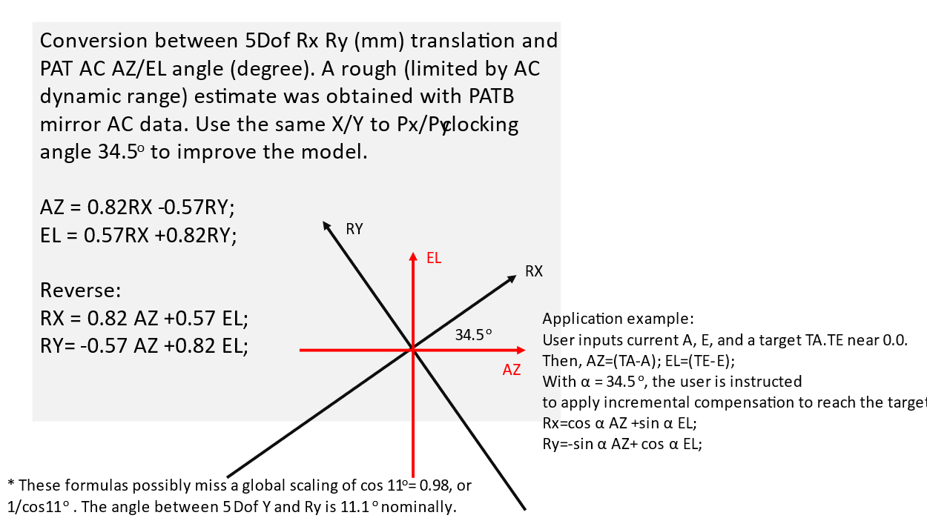
...
0 | 0
...
-0.0028 | 0.0032
...
-0.0035 | -0.0013
...
-0.0035 | -0.0013
...
-0.0015 | -0.0003
...
0.0162 | -0.0142
...

X Y Tuner
Target Py (pix) | Angle between Az and Rx (deg) | (rad.) | Scale (pix/mm) | 1. dX, dY columns have pulling-down formula to calculate desired positions from the Px/Py measurement & target in the above row. The equations use the rotational transformation of a rotational angle. Do not arbitrarily change the angle or scale. You may add new rows. Do not change or erase the equations above your rows.
602 | 34.5 | 0.602139 | 20.9 | 2. Apply the calculated increments dX, dY to 5DOF.
606.4 | Do not change thsese! |  |  | 3. Record the Px/Py measurements.
 |  |  |  | 4. If need to do another iteration, fill in the target Px/Py, the next row calcutates the new dX dY.
601.8
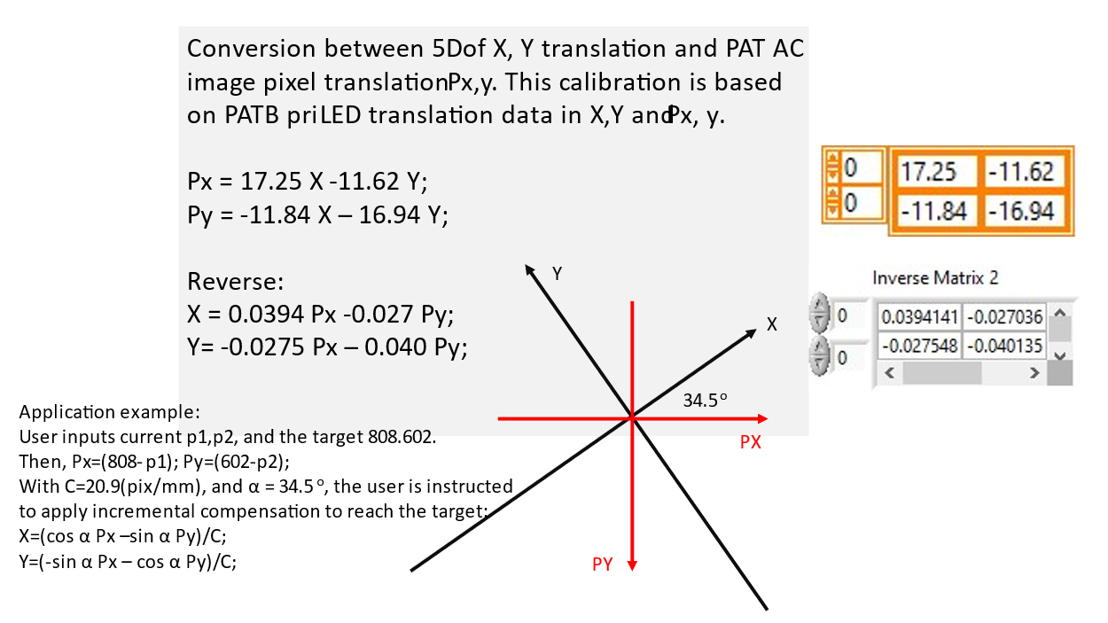
...
601.6
...
595.8
...
595.8
...
595.8
...
595.8
...
596.6
596.6
...
593.67
593.67
593.67
593.67
593.67
...
597.8
...
591.5
...

Scratch - RM worksheet
.fits | AC AZ | AC EL | X centroid | Y centroid
 | 0.32 | 0.034 | 787 | 625
 | 0.1 | 0.01 | 801 | 612
 | 0.15 | 0.01 | 802 | 637
 | -0.008 | 0.0087 | 800 | 509
 | -0.04 | 0.01
0.0485 | -0.018
0.04 | -0.026
0.055 | -0.013
0.06 | -0.008
 | -0.02 | 0.01
 | 0 | 0 |  | 516
 |  |  |  | 675
 | 0.09 | 0.017 |  | 625
 | 0.02
 | 0 |  |  | 554
0 | 0 |  |  | 38
0 | 0.0076 | 0.014 | 804.3 | 590
 | 0.31 | 0.014 | 805 | 851
 | 0.027 | -0.15 | 664 | 606
 | 0.024 | 0.24 | 990.5 | 604
 | -0.15 | 0.007 | 798 | 764
 | -0.0063 | -0.018 | 777 | 579 |  | 793 | 604
 | 0.023 | 0.005 | 798 | 606
 | -0.005 | -0.0013 | 790.2 | 582.9 | -21.1
...
 | -0.007 | 0.0008 | 794 | 563
 | 0.0008 | 0.0004 | 793 | 602

.fits | AC AZ | AC EL | X centroid | Y centroid
 | 0.022 | 0.032 | 808 | 601.5 |  |  |  |  |  | 0.346 | 0.2215
 | -0.082 | 0.032
 | -0.082 | -0.092 | 808 | 602 |  | 0.187 | 0.0595 | 0.072 | -0.12
 | 0.016 | 0.025 | 808 | 602 |  | 0.087 | 0.1595 | -0.066 | 0.07
81032 |  |  | 807.7 | 601.6
...

